Test Scenarios
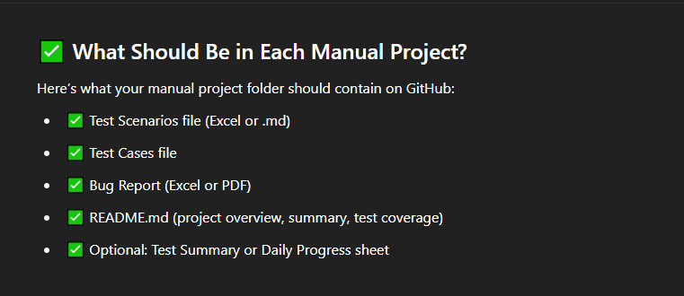
Test Scenario ID | Refrence | Test Scenario Description | Priority | Number of Test Cases
(TS_001) Register functionality | FRS | Validte the functionality of the Register Account. | P0 | 34
(TS_002) Login functionality | FRS | Validte the functionality of the Login Account. | P0 | 6
(TS_003) Forget Password functionality | FRS | Validte the functionality of the Forget Password. | P0 | 27
(TS_004) Header_Your account | FRS | Validte the functionality of the Dropdown Header > Your account. |  | 43
(TS_005) Header_Create Group | FRS | Validte the functionality of the Dropdown Header > Create Group. |  | 13
(TS_006) Header_Contact Support | FRS | Validte the functionality of the Dropdown Header > Contact Support. |  | 3
(TS_007) Header_Contact Support | FRS | Validte the functionality of the Dropdown Header > Logout. |  | 1
(TS_008) Home Page_ Dash Board | FRS | Validte the functionality of the Home Page > Dash Board. |  | 34
(TS_009) Home Page_ Recent Activity | FRS | Validte the functionality of the Home Page > Recent Activity. |  | 2
(TS_010) Home Page_ All Expenses | FRS | Validte the functionality of the Home Page > All Expenses. |  | 15
(TS_011) Home Page_ Groups | FRS | Validte the functionality of the Home Page > Groups. |  | 21
 |  |  |  | 199
 |  |  |  | 300
 |  |  |  | 101

